Bug report ispravljen

Bug ID | Bug name | Description | Steps to reproduce | Expected result | Actual result | Screenshot | Assign to | Repro rate | Priority | Severity
ID007 | Stopping the lift when mass is increased during the ride | When something/someone get stack in elevator's door that causes resistance to the lift's moving, and is registered as mass increase. Because lift's program does not check mass during the ride the elevator does not stop . | press the button for calling the lift on the outside panel, on the ground floor
 |  |  | enter the lift (allowed mass)
 |  |  | put the rope for door to close it (simulates the coat, for example - it is small enough for sensor for door stopping not to indicate it ). The rope is anchored so it will resist the lift moving (on outside it is attached to the load and in the inner end it is broad enough not to pass through the door)
 |  |  | in the cabin press buttons fort he 2. floor
 |  |  |  | when the rope tightens it increases cabin mass and the lift stops | the lift continues to move and the rope tears up |  | Product manager | every time | high | high
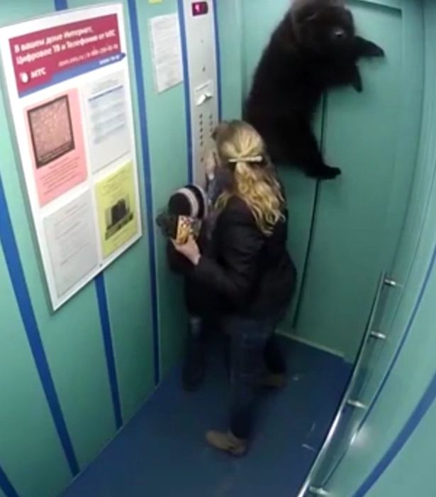

ID008 | ignoring the mass increase caused by the inertia | When lift starts to move it gets acceleration which produces, seemingly, increase in mass (the mass of the passengers is the same, but inertia adds mass increase, which is measured by the elevators scale). Since the mass of the passengers was near the maximum load and lifts program does not encounters this change in mass, elevator signals overload and it stops. | press the button for calling the lift on the outside panel, on the ground floor
 |  |  | load the lift (close to the highest allowed wight load)
 |  |  | in the cabin press buttons for the 5. floor
 |  |  | due to inertia mass in the cabin seemingly increases | lift ignores seemingly increased mass and continue moving | the lift stops |  | Product manager | every time | high | medium

